Dashboard Vendas
Dados de Vendas
Dados Regionais

 | Total
jan | 1832
fev | 1558
mar | 1804
abr | 1732
mai | 2044
jun | 1479
jul | 2123
ago | 2173
set | 1984
out | 2138
nov | 2226
dez | 1687
R$ 5.716.719
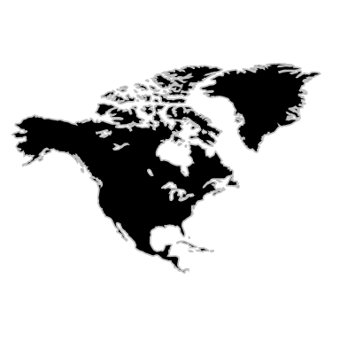
North America
 | Total
Canada | 5106
United States | 144433
Lucro Total
 | Total
jan | 536
fev | 645
mar | 871
abr | 606
mai | 900
jun | 905
jul | 781
ago | 866
set | 763
out | 908
nov | 959
dez | 687
R$ 616.980
Lucro Total
 | Total
jan | 8286
fev | 5026
mar | 10187
abr | 7467
mai | 6233
jun | 8454
jul | 9044
ago | 7928
set | 7617
out | 9831
nov | 8110
dez | 8048
Lucro Total
Custo Total
Custo Total
Custo Total
R$ 3.415.175
R$ 453.512
R$ 2.207.232

 | Total
jan | 5474
fev | 4549
mar | 5893
abr | 6334
mai | 6425
jun | 6292
jul | 5736
ago | 5612
set | 5720
out | 6264
nov | 5917
dez | 5468
R$ 13.677.598
Lucro Total
 | Total
jan | 3156
fev | 2865
mar | 3543
abr | 3575
mai | 3793
jun | 3689
jul | 3754
ago | 3352
set | 3843
out | 4322
nov | 4417
dez | 3721
R$ 11.436.963
Lucro Total
 | Total
jan | 1060
fev | 679
mar | 689
abr | 972
mai | 843
jun | 905
jul | 747
ago | 796
set | 799
out | 941
nov | 685
dez | 901
R$ 675.521
Lucro Total
Lucro Total
Custo Total
R$ 5.708.122
Custo Total
R$ 392.305
Custo Total
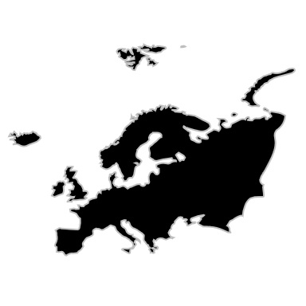
Europa
 | Total
France | 11850
Germany | 17960
Italy | 1308
Russia | 1973
United Kingdom | 5897
R$ 21.258.393,59
R$ 7.711.227

Canais de Vendas
 | Total
Catalog | 3,281,174
Online | 7,421,826
Reseller | 4,569,258
Store | 20,493,950
Desempenho por Fabricante
 | Total
A. Datum | 16633
Adventure Works | 16426
Contoso | 124554
Fabrikam | 19663
Litware | 4058
Northwind Traders | 2736
Proseware | 19404
Southridge Video | 18398
The Phone Company | 15769
Wide World Importers | 14528

Lucro Total
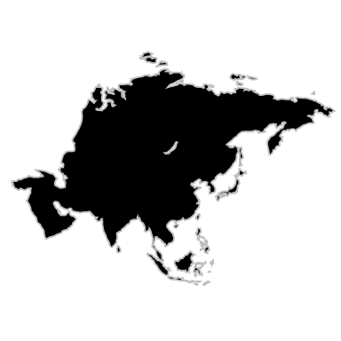
Asia
 | Total
Australia | 2227
China | 35634
India | 2585
Japan | 4749
Turkmenistan | 1529
R$ 6.307.479,69

Lucro Total
R$ 8.200.334,43

Marcas

Dados de Vendas por Marcas

Rótulos de Linha | Soma de Quantidade
A. Datum | 16633
Adventure Works | 16426
Contoso | 124554
Fabrikam | 19663
Litware | 4058
Northwind Traders | 2736
Proseware | 19404
Southridge Video | 18398
The Phone Company | 15769
Wide World Importers | 14528
Total Geral | 252169

Canal de Vendas
Rótulos de Linha | Soma de Lucro
Catalog | 3,281,174
Online | 7,421,826
Reseller | 4,569,258
Store | 20,493,950
Total Geral | 35,766,208

Grafico Categoria
Dados de Cada Categoria

Audio | Soma de Quantidade
jan | 536
fev | 645
mar | 871
abr | 606
mai | 900
jun | 905
jul | 781
ago | 866
set | 763
out | 908
nov | 959
dez | 687
Total Geral | 9427

Cameras | Soma de Quantidade
jan | 3156
fev | 2865
mar | 3543
abr | 3575
mai | 3793
jun | 3689
jul | 3754
ago | 3352
set | 3843
out | 4322
nov | 4417
dez | 3721
Total Geral | 44030

Celular | Soma de Quantidade
jan | 8286
fev | 5026
mar | 10187
abr | 7467
mai | 6233
jun | 8454
jul | 9044
ago | 7928
set | 7617
out | 9831
nov | 8110
dez | 8048
Total Geral | 96231

Computers | Soma de Quantidade
jan | 5474
fev | 4549
mar | 5893
abr | 6334
mai | 6425
jun | 6292
jul | 5736
ago | 5612
set | 5720
out | 6264
nov | 5917
dez | 5468
Total Geral | 69684

Musica | Soma de Quantidade
jan | 1060
fev | 679
mar | 689
abr | 972
mai | 843
jun | 905
jul | 747
ago | 796
set | 799
out | 941
nov | 685
dez | 901
Total Geral | 10017

Visual | Soma de Quantidade
jan | 1832
fev | 1558
mar | 1804
abr | 1732
mai | 2044
jun | 1479
jul | 2123
ago | 2173
set | 1984
out | 2138
nov | 2226
dez | 1687
Total Geral | 22780

Qtd Vendas Região
America
Rótulos de Linha | Soma de Quantidade
Canada | 5106
United States | 144433
Total Geral | 149539

Europa
Europa | Soma de Quantidade
France | 11850
Germany | 17960
Italy | 1308
Russia | 1973
United Kingdom | 5897
Total Geral | 38988

Asia
Asia | Soma de Quantidade
Australia | 2227
China | 35634
India | 2585
Japan | 4749
Turkmenistan | 1529
Total Geral | 46724

